1-info
Instructions: Financial Workbook
Applicants use worksheets 2 & 3. Add 12-16 as relevant to the specific grant application request.
Subrecipients use worksheets 4-11 (as applicable based on grant term). Use worksheet 3 for any budget revisions. Use 12-16 as relevant to the specific grant agreement. Tab 16 can be used for budget support overflow, e.g. insufficient lines on request requiring expense aggregation or not enough space for explanation.
Budget Worksheet
pre-award application + post-award budget revisions
Pre-award: Enter the name of the DHHS subaward application and applicant organization name in cells A3 and A4 on tab 2 - Budget Justify. These entries populate corresponding fields on all budget and expense reporting tabs, so please enter a clear description in both fields.
On this same tab, enter total budget target in cell C125 before completing the budget justification. Information can be entered in pale yellow cells. Other cells are locked to prevent formatting and formula errors.
The Personnel Calculator (tab 12) should be used when calculating staff expenses, as it will automatically populate the first five positions to the budget justification. The tool also allows you to communicate your logic for arriving at personnel wage and benefit totals included in the budget justification. Use the space in column A of the budget justification to provide narrative explanation.
Use the Indirect Calculator (tab 13) when requesting the reimbursement of an approved indirect cost rate (IDC) agreement or for the payment of costs pursuant to an approved cost allocation plan (CAP). Active, approved IDC or CAP agreements must be submitted to DHHS for any subrecipient requesting reimbursement other than the federal de minimis.
Tab 16 Supplemental Support is available as an open tab for additional budget information, such as snipped estimates for travel or equipment costs. Use as needed or as directed by your DHHS program contact.
Post-award: Budget revisions can be made on tab 3 Budget - REVISE. These can be submitted in any quarter and will populate beginning with that quarter's corresponding expense reporting tab. Please note: you must include the entire budgeted amount in that quarter's revision, not only the line items you're seeking to revise.
A budget can be revised without prior DHHS approval if ALL of the following are met:
1. Revision reassigns funds between approved line items and the cumulative transfer (from original, approved budget) does not exceed the transfer limit percentage included in your subaward terms and conditions; AND
2. Revision does not add or eliminate a line item; AND
3. Revision does not change goals or objectives of the project; AND
4. Revision does not include equipment purchase or capital assets (see 2 CFR 200.1 for definitions).
Prior approval is required for budget revisions including any of the following:
1. Expense exceeds the approved line-item, and the revision would exceed the transfer percentage included in your subaward terms and conditions;
2. The addition of a new-line item;
3. Expense not justified by adopted work plan; or
4. Expense pertaining to equipment or capital assets not approved in original budget.
Expense Report Worksheets
post-award reports (tabs 4-11)
Enter Subaward number ______ - Y3, the subrecipient's federal Unique Entity Identification (UEI) number, and billing address on tab 4 Expense 1st Period. This information should match the subrecipient information provided on the DHHS subaward funding attachment Subrecipient Details section. This information will automatically populate on future expense reports based on the data entered on tab 4.
Expense reporting: As with the budget tabs, information may only be entered in the pale yellow cells. Enter the values corresponding to the period's expenses in this column. If no expenses were incurred for a given line item in the period, either enter a zero or leave the cell empty. Expenses shall correspond to the appropriate line items in the approved budget. Unanticipated expenses or expenses relating to a budget revision should be noted in the large pale yellow explanation box at the bottom of the report page.
The Budget Line Items and budget columns pull from the Budget JUSTIFY or Budget REVISE tab.
The cumulative column reflects the total expense reported through the current reporting period by line item.
The % expended column assists the subrecipient and DHHS program contact in monitoring the subaward budget-to-expense by line-item and for the subaward total. Expenses exceeding line item budgets are automatically flagged by a (!).
The available balance column displays the budget remaining for the line item after subtracting the cumulative expense for that line item.
If (!) displays for a line item, this means the cumulative total exceeds the budgeted amount. This will require a budget revision. Refer to budget revision instructions at left to determine whether this requires prior approval by your DHHS program contact.
If (!), OVER award, or UNDER award is listed for the budget column or budget category subtotal, please review the budget submission tab, as this indicates a mismatch between budget category total or a mismatch between the original budget total and the budget revision total for that period.
To Ensure On-Time Payment:
Obtain a signed (electronic or wet signature) PDF print of the period expense report with your invoice. This should include the names and titles of both the authorized subrecipient finance and program representatives.
Email the signed PDF along with the updated Excel expense report along with that period's invoice and any required supporting documentation to your DHHS program contact or the centralized invoice routing email if one has been provided.

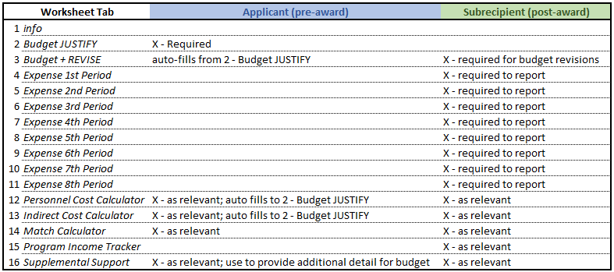

HELPFUL TIPS for Worksheets 2-11
1. Budget worksheets are for pre-award (application) AND post-award (after a subaward is executed). Expense worksheets are use ONLY post-award.
2. Money cells are set to "accounting" number format. Simply enter a numeric value then <enter> to return a $ symbol that aligns values by decimal.
3. Do not enter text into a money cell, as this will create a #VALUE! error in dependent cells. If you encounter this error, review your entries for non-numeric entries.
HELPFUL TIPS for Worksheets 12 & 13
1. These are designed as tools and are not required if not applicable to the budget. Note, both of these tools link to Worksheet 2 - Budget JUSTIFY and populate personnel and IDC figures.
SAMPLE snips are included on Worksheets 12-15 to provide a visual guide on how to use these tools.

 | Program-specific instructions may be included in this field. Save the approved budget, subsequent revisions (with relevant approvals), and subrecipient expense reports with your program files. These documents must be maintained and made available for any DPH financial review activity or independent audit.

NE DHHS DPH SUBAWARD BUDGET TEMPLATE REVISION 10.2023

2-Budget JUSTIFY
Cells highlighted the pale yellow color of this text box may be edited, as well as budget category 800, which is available for items that do not fit into the pre-filled categories.
Budget Justification | Budget

ENTER DHHS SUBRECIPIENT PROJECT NAME HERE
ENTER APPLICANT/SUBRECIPIENT NAME HERE
Categorize items of cost (recommended categories [pre-filled] may be overwritten to customize by applicant.) | [Columns B & C auto fill --->"3-Budget + REVISE' worksheet.]
Fully describe line items [Column A] to justify its $ value [Column C]. No "misc" or "other" categories & lines. | For each line item [Column A], add summary [Column B]. | If ORIGINAL budget, enter $ value.
100 - PERSONNEL - Salary / Wage | 100 - PERSONNEL - Salary / Wage | $-
 | 0 | $-
 | 0 | $-
 | 0 | $-
 | 0 | $-
 | 0 | $-

200 - PERSONNEL - Benefits | 200 - PERSONNEL - Benefits | $-
 | 0 | $-
 | 0 | $-
 | 0 | $-
 | 0 | $-
 | 0 | $-
 | 0
 | 0
 | 0
 | 0
 | 0
 | 0
 | 0
 | 0
 | 0
 | 0
 | 0
 | 0
 | 0
 | 0
 | 0
 | 0
 | 0
300 - TRAVEL | 300 - TRAVEL | $-

400 - SUPPLIES | 400 - SUPPLIES | $-

500 - EQUIPMENT | 500 - EQUIPMENT | $-

600 - CONTRACTUAL | 600 - CONTRACTUAL | $-

700 - OPERATIONAL | 700 - OPERATIONAL | $-

800 - (identify category) | 800 - (identify category) | $-

900 - Indirect Costs | 900 - Indirect Costs | $-
 | use "Indirect Cost Calculator" | $-
 | Total | $-

 | Budget check | $-

 | ENTER TARGET BUDGET AMOUNT

13-Indirect Calc
Instructions: This calculator can be adapted to fit your organization's approved indirect cost rate agreement. In the example below, this organization's approved IDCR is 20.20% of the categories of cost included. If your organization's IDCR base only includes some of these categories (e.g. wages and benefits), then you will only enter those values into the top of the calculator. All other subaward costs would be included in the "additional allowable costs excluded in MTDC base" cell.
By entering your organization's IDCR base (B9:B16), approved rate (B19), and additional costs (C21), this tool will provide two useful values: your calculated indirect costs (C19) and your total budget requested (C22). The value in C19 will auto-fill over to tab 2-Budget JUSTIFY.
If claiming less than your full approved IDCR, please include that in the notes section provided and adjust the rate included in this calculator. DHHS will still require a current copy of you full approved rate.
For budget, use calculator (below).

enter values only in shaded cells
Calculator - indirect cost rate x MTDC

Modified Total Direct Costs (MTDC)
Direct Salaries and Wages
Applicable Fringe Benefits | $-
Materials and Supplies | $-
Services | $-
Travel (mileage only) | $-
Subaward (up to $25,000) | $-
COST ALLOCATION PLANS: If your organization uses a cost allocation plan in lieu of an indirect cost rate, select 'yes' below and enter your estimated cost allocation in the field below. DHHS will require a current copy of your approved cost allocation plan and may require source documents along with invoicing to support the actual amounts charged.
Subaward (up to $25,000) | $-
Subaward (up to $25,000)
Total MTDC (base) | $-

rate x base = Indirect Costs |  | $-
addl allowable costs excluded in MTDC base |  |  | Cost Allocation Plan? | No
 |  |  | Estimated Costs (to include in budget)
total projected costs (budget) if approved = subaward |  | $-

Enter notes below.
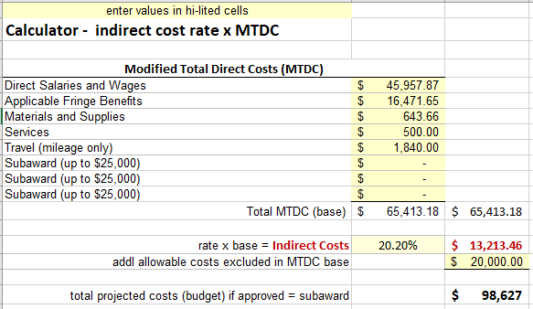

For reports, use calculator (below) for actual expense.

Calculator - indirect cost rate x MTDC

Modified Total Direct Costs (MTDC)
Direct Salaries and Wages | $-
Applicable Fringe Benefits
Materials and Supplies | $-
Services | $-
Travel (mileage only) | $-
Subaward (up to $25,000) | $-
Subaward (up to $25,000) | $-
Subaward (up to $25,000) | $-
Total MTDC (base) | $-

rate x base = Indirect Costs |  | $-
addl allowable costs excluded in MTDC base |  | $-

total ACTUAL costs (expense) |  | $-

Enter notes below.

15-Program Income Tracker
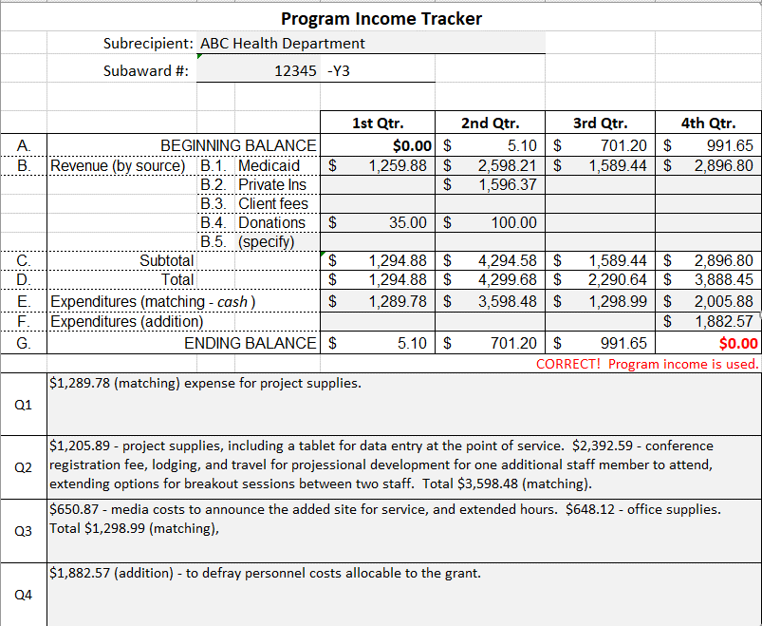
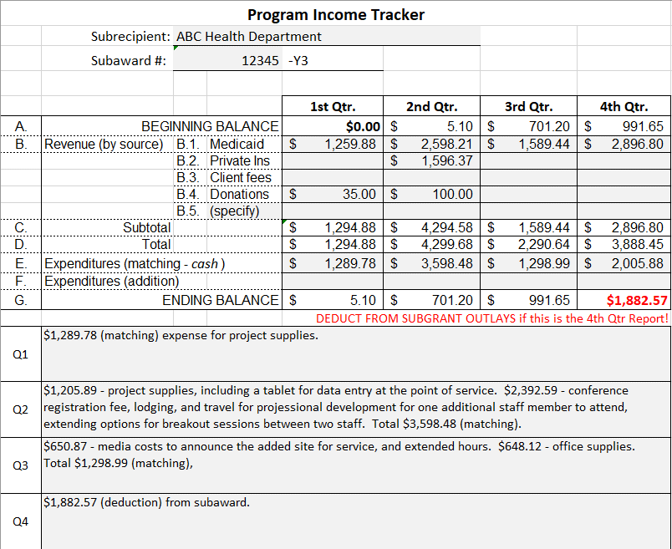
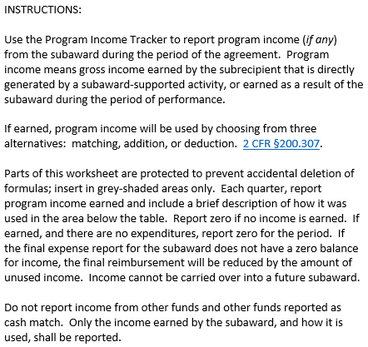
Program Income Tracker
 | Subrecipient: | ENTER APPLICANT/SUBRECIPIENT NAME HERE
 | Subaward #: | 0 |  | -Y3

 |  |  |  | 1st period | 2nd period | 3rd period | 4th period | 5th period | 6th period | 7th period | 8th period
A. | BEGINNING BALANCE |  |  | $0.00 | $- | $- | $- | $- | $- | $- | $-
B. | Revenue (by source) | B.1. | Medicaid | $- | $- | $- | $- | $- | $- | $- | $-
 |  | B.2. | Private Ins | $- | $- | $- | $- | $- | $- | $- | $-
 |  | B.3. | Client fees | $- | $- | $- | $- | $- | $- | $- | $-
 |  | B.4. | Donations | $- | $- | $- | $- | $- | $- | $- | $-
 |  | B.5. | (specify) | $- | $- | $- | $- | $- | $- | $-
C. | Subtotal |  |  | $- | $- | $- | $- | $- | $- | $- | $-
D. | Total |  |  | $- | $- | $- | $- | $- | $- | $- | $-
E. | Expenditures (matching - cash) |  |  | $- | $- | $- | $- | $- | $- | $- | $-
F. | Expenditures (addition) |  |  | $- | $- | $- | $- | $- | $- | $- | $-
G. | ENDING BALANCE |  |  | $- | $- | $- | $- | $- | $- | $- | $0.00
 |  |  |  | CORRECT! Program income is used.
1st period |  |  |  |  |  |  |  | 5th period
2nd period |  |  |  |  |  |  |  | 6th period
3rd period |  |  |  |  |  |  |  | 7th period
4th period |  |  |  |  |  |  |  | 8th period

 | SAMPLE - matching & addition |  |  |  |  |  |  | SAMPLE - deduction

